Sheet1
 | Document No. |  | Issue No. | Issue Date |  |  | Review and Replace Date |  | Authorised By
 | GFF518MC |  | 1 | 11.07.2025 |  |  | New doc |  | Magda Shah
 | Document Title |  | 22 Onion Bhaji 660G

Document amendments reason for change | New doc |  |  | Page 1 of 1 |  | Previous Issue Date |  | New doc | Uncontrolled copy unless signed original

FOBHC-B22X4TDA |  | GAZEBO-Danora |  |  | 22 Onion Bhaji 660G
STEP 1 |  |  |  |  | STEP 2
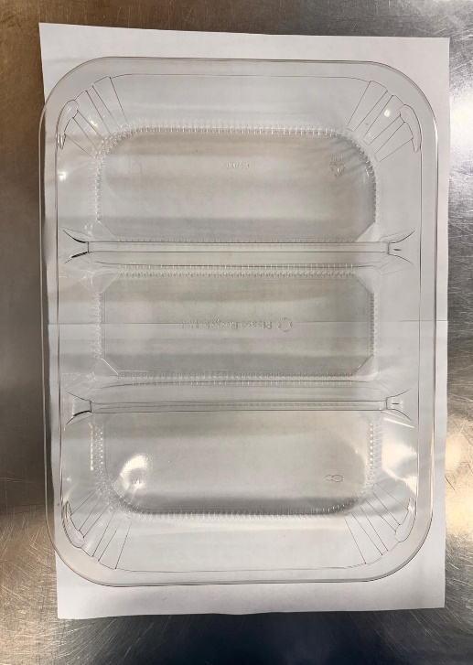 |  |  |  |  | 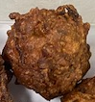

PACK DAY + 1 YEAR
NON-MAP PACK

Tray: HW308/60 - 3 CAVITY TRANS - 352X246X60 - (PKESS001-10) |  |  |  |  | Onion Bhaji Cocktail 30G (GFF 121R) : 22 Pieces (660G)
Film: K Peel RPSM 25µm (340mmX1000lm) (PKKMP001-05)
STEP 3
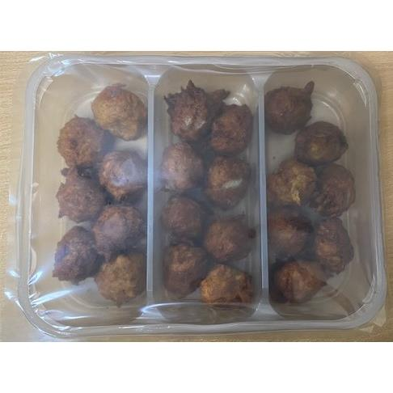

TOTAL WEIGHT: 660G

ALLERGY ALERT: None

